Fig 3.1
Figure 3.1: Provisional tax payments by provisional period, 2020 and 2021 |  |  |  | Figure 3.1: Provisional tax payments by provisional period, 2021 | Figure 3.1: Provisional Tax payments by provisional period 2020 and 2021
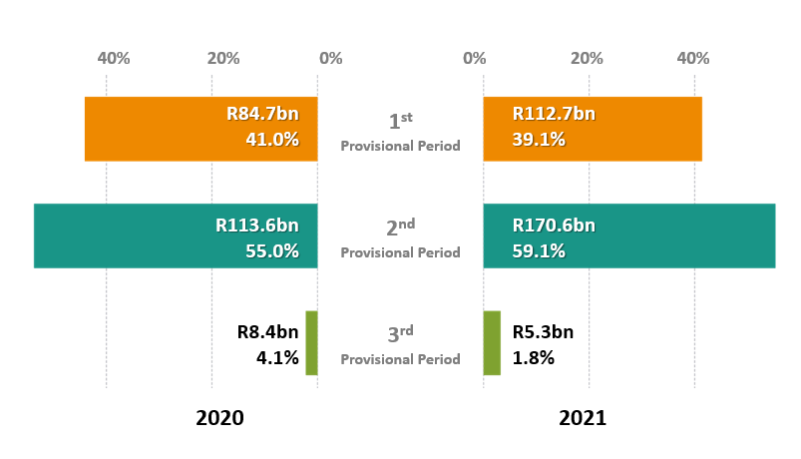
 |  |  |  |  |  | Figure 3.1: Provisional Tax payments by provisional period 2020 and 2021
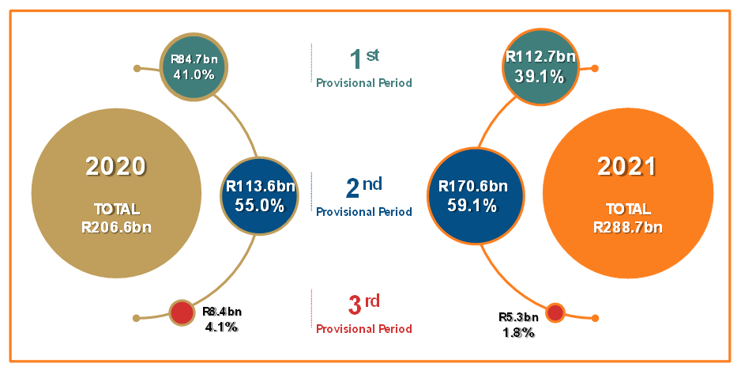

 |  | BACK TO CONTENTS

From Table A3.1.2
Provisional period | 2020
1st provisional period | R84.7bn |  | 41.0%
2nd provisional period | R113.6bn |  | 55.0%
3rd provisional period | R8.4bn |  | 4.1%
Total | R206.6bn |  | 100.0%

CHECK | R0.0bn

From Table A3.1.2
Provisional period | 2021
1st provisional period | R112.7bn |  | 39.1%
2nd provisional period | R170.6bn |  | 59.1%
3rd provisional period | R5.3bn |  | 1.8%
Total | R288.7bn |  | 100.0%

Fig 3.2
 | Figure 3.2: Provisional tax payments by provisional period and fiscal year, 2009/10 -2021/22 |  |  |  |  |  |  | Figure 3.2: Provisional Tax payments by provisional period and fiscal year, 2009/10 - 2021/22 (%)
 | 1st provisional payments | 2nd provisional payments | 3rd provisional payments
2009/10 | 33.8% | 53.3% | 12.9%
2010/11 | 39.4% | 53.7% | 6.9%
2019/20 | 43.9% | 53.7% | 2.4%
2020/21 | 39.3% | 56.9% | 3.8%
2021/22 | 41.7% | 56.1% | 2.2%

 |  | BACK TO CONTENTS
 |  |  | From Table A3.1.1
 |  |  | Financial year-end | 2009/10 | 2010/11 | 2019/20 | 2020/21 | 2021/22
 |  |  | 1st provisional payments, | 45,615 | 54,023 | 95,452 | 81,936 | 132,929
 |  |  | 2nd provisional payments, | 72,058 | 73,591 | 116,845 | 118,760 | 178,679
 |  |  | 3rd provisional payments, | 17,419 | 9,455 | 5,147 | 8,027 | 7,165
 |  |  | Total | 135,092 | 137,068 | 217,444 | 208,723 | 318,773

CHECK

 |  |  | From Table A3.1.1
 |  |  | Financial year-end | 2009/10 | 2010/11 | 2019/20 | 2020/21 | 2021/22
 |  |  | 1st provisional payments | 33.8% | 39.4% | 43.9% | 39.3% | 41.7%
 |  |  | 2nd provisional payments | 53.3% | 53.7% | 53.7% | 56.9% | 56.1%
 |  |  | 3rd provisional payments | 12.9% | 6.9% | 2.4% | 3.8% | 2.2%
 |  |  | Total | 100.0% | 100.0% | 100.0% | 100.0% | 100.0%

Fig 3.3
Figure 3.3: Provisional tax payments by company financial year end, 2020 and 2021 |  |  | Figure 3.3: Provisional tax payments by company financial year end, 2021 | Figure 3.3: Provisional tax payments by companies' financial year-end, 2020 and 2021 | Figure 3.3: Provisional tax payments by companies' financial year-end, 2020 and 2021
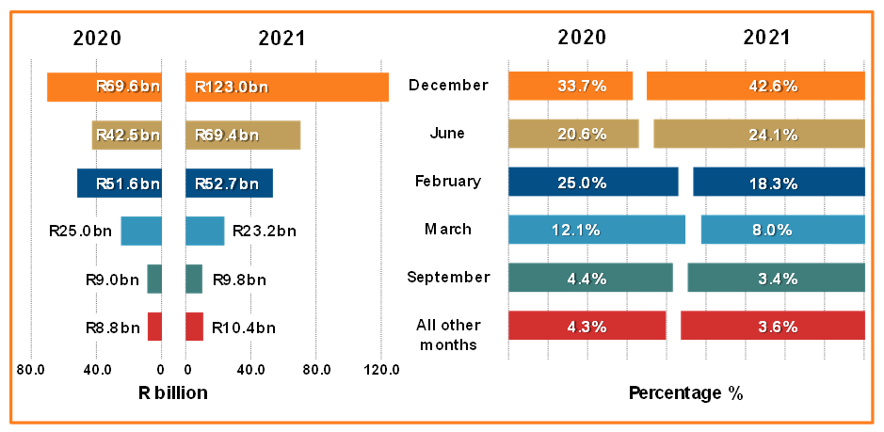
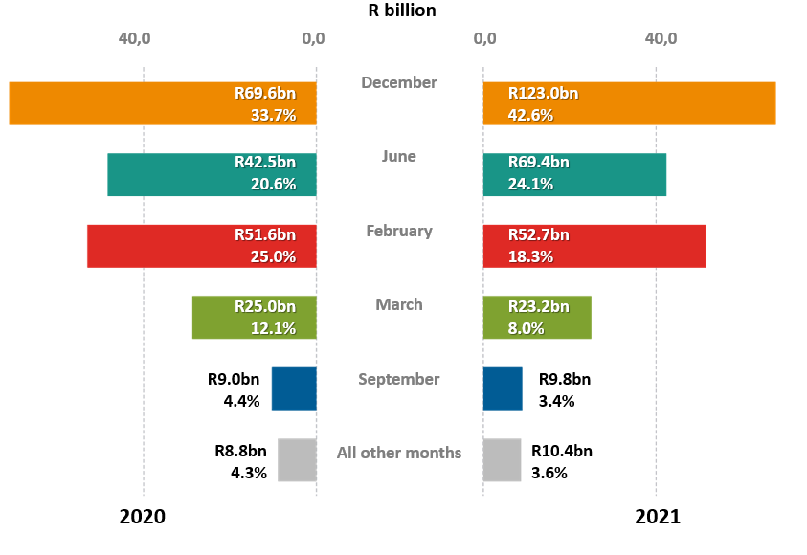

 | BACK TO CONTENTS

From Table A3.1.2
Financial year-end | 2020
Dec | R69.6bn | 33.7%
Jun | R42.5bn | 20.6%
Feb | R51.6bn | 25.0%
Mar | R25.0bn | 12.1%
Sep | R9.0bn | 4.4%
All other months | R8.8bn | 4.3%
Total | R206.6bn | 100.0%

 | -

From Table A3.1.2
Financial year-end | 2021
Dec | R123.0bn | 42.6%
Jun | R69.4bn | 24.1%
Feb | R52.7bn | 18.3%
Mar | R23.2bn | 8.0%
Sep | R9.8bn | 3.4%
All other months | R10.4bn | 3.6%
Total | R288.7bn | 100.0%

Fig 3.4
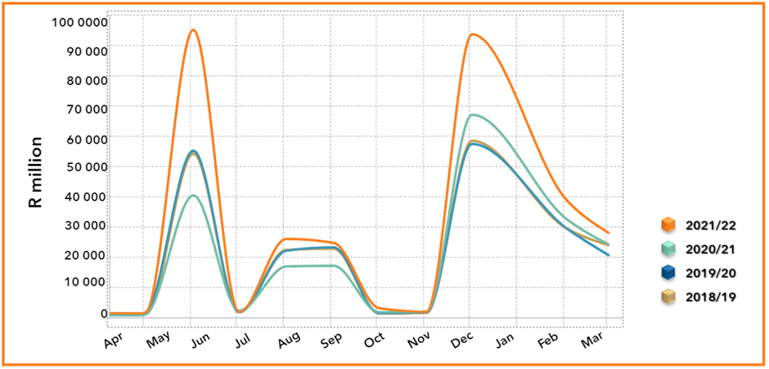
Figure 3.4: Monthly provisional tax payments by companies’, 2018/19– 2021/22 |  |  |  |  |  |  |  |  |  |  |  |  |  | Figure 3.4: Monthly provisional tax payments by companies for fiscal years, 2018/19 - 2021/22
 | 2009-04-01 | 2009-05-01 | 2009-06-01 | 2009-07-01 | 2009-08-01 | 2009-09-01 | 2009-10-01 | 2009-11-01 | 2009-12-01 | 2010-01-01 | 2010-02-01 | 2010-03-01 | TOTAL
2018/19 | 1,230 | 1,355 | 54,224 | 2,126 | 22,474 | 22,845 | 1,418 | 1,647 | 58,489 | 1,546 | 29,541 | 23,944 | 220,839
2019/20 | 993 | 1,591 | 55,194 | 1,867 | 22,180 | 23,277 | 1,515 | 1,924 | 57,455 | 1,333 | 29,547 | 20,569 | 217,444
2020/21 | 849 | 1,249 | 40,439 | 2,398 | 16,981 | 17,220 | 1,881 | 2,096 | 67,100 | 1,767 | 32,609 | 24,131 | 208,723
2021/22 | 1,494 | 1,981 | 95,156 | 1,897 | 26,099 | 24,780 | 3,196 | 2,015 | 93,686 | 1,623 | 38,906 | 27,941 | 318,773
 | 2017/18 | 2018/19 | 2019/20 | 2020/21 | 2021/22
2009-04-01 |  | 1,230 | 993 | 849 | 1,494
2009-05-01 |  | 1,355 | 1,591 | 1,249 | 1,981
2009-06-01 |  | 54,224 | 55,194 | 40,439 | 95,156
2009-07-01 |  | 2,126 | 1,867 | 2,398 | 1,897
2009-08-01 |  | 22,474 | 22,180 | 16,981 | 26,099
2009-09-01 |  | 22,845 | 23,277 | 17,220 | 24,780
2009-10-01 |  | 1,418 | 1,515 | 1,881 | 3,196
2009-11-01 |  | 1,647 | 1,924 | 2,096 | 2,015
2009-12-01 |  | 58,489 | 57,455 | 67,100 | 93,686
2010-01-01 |  | 1,546 | 1,333 | 1,767 | 1,623
2010-02-01 |  | 29,541 | 29,547 | 32,609 | 38,906
2010-03-01 |  | 23,944 | 20,569 | 24,131 | 27,941

 |  |  |  |  |  | BACK TO CONTENTS

 | Source: Monthly collection file by Vivienne
 | Monthly collection file

Fig 3.5
Figure 3.5: Distribution of assessed companies in taxable income groups, 2020 |  |  |  |  | Figure 3.5: Assessed companies, taxable income and tax assessed by taxable income group, 2020
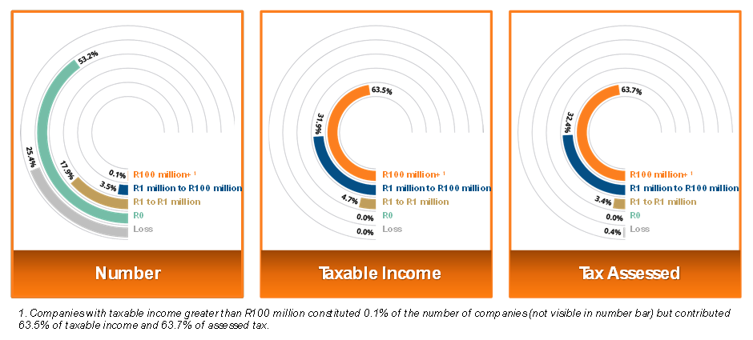

1. Companies with taxable income greater than R100 million constituted 0.1% of the number of companies (not visible in numer column) but contributed 63.5% of taxable income and 63.7% of assessed tax.
 |  | BACK TO CONTENTS

1. Please note that companies with taxable income greater than R100 million constituted 0.1% of the number of companies (not visible in number column) but contributed 63.5% of taxable income and 63.7% of assessed tax.

From Table A3.3.1
 | 2020
Taxable income group | Number | Taxable income | Assessed tax | Eff rate
Loss | 261,605 | -1,611,355 | 831 | 0.0%
Rnil | 547,146 | – | 93 | 0.0%
R1-R1m | 183,660 | 34,330 | 6,884 | 20.1%
R1m - R100m | 35,683 | 234,999 | 65,493 | 27.9%
R100m + | 738 | 467,634 | 128,845 | 27.6%
 | 1,028,832 | 736,962 | 202,146 | 27.4%

Taxable income | Number | Taxable income | Assessed tax
Loss | 25.4 | – | 0.4
R nil | 53.2 | – | 0.0
R1 to R1 million | 17.9 | 4.7 | 3.4
R1 million to R100 million | 3.5 | 31.9 | 32.4
R100 million + ¹ | 0.1 | 63.5 | 63.7
 | 100.0 | 100.0 | 100.0

Fig 3.6
Figure 3.6: Companies tax assessed by economic activity, 2020 |  |  | Figure 3.6: Companies' tax assessed by economic activity, 2020
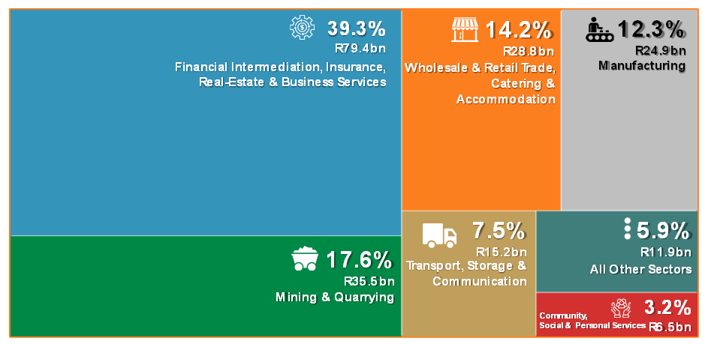

 |  | BACK TO CONTENTS

By Economic activity
By Economic activity
From Table A3.4.2
 | 2020
Sector | Tax assessed (R million)
Financial intermediation, insurance, real-estate & business services | R79.4bn
Manufacturing | R24.9bn
Wholesale & retail trade, catering & accommodation | R28.8bn
Mining & quarrying | R35.5bn
Transport, storage & communication | R15.2bn
Community, social & personal services | R6.5bn
All other sectors | R11.9bn
Total | R202.1bn

 | 2020
Sector | Tax assessed (R million)
Financial intermediation, insurance, real-estate and business services4 | 79,350
Manufacturing2 | 24,903
Wholesale and retail trade, catering and accommodation3 | 28,805
Mining and quarrying | 35,532
Transport, storage and communication | 15,153
Community, social and personal services5 | 6,524
Construction | 4,552
Agriculture, forestry and fishing | 4,494
Electricity, gas and water | 2,773
Other6 | 61
Total | 202,146

Fig 3.7
Figure 3.7: Distribution of taxpayers by economic activity and taxable income group, 2020 |  |  |  |  |  |  |  |  |  | Figure 3.7: Distribution of taxpayers by economic activity and taxable income group, 2020
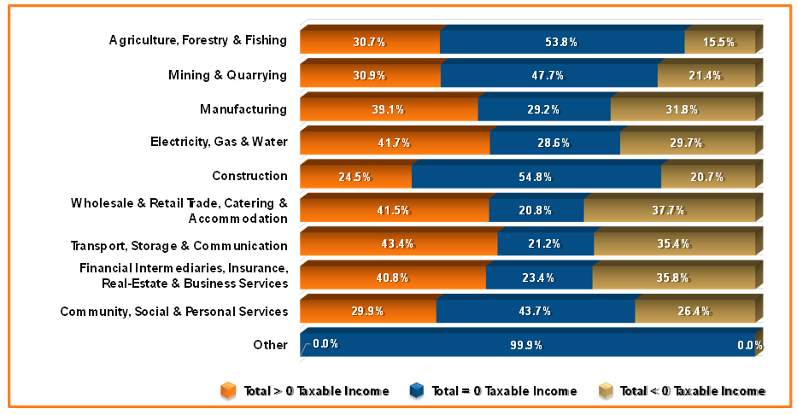

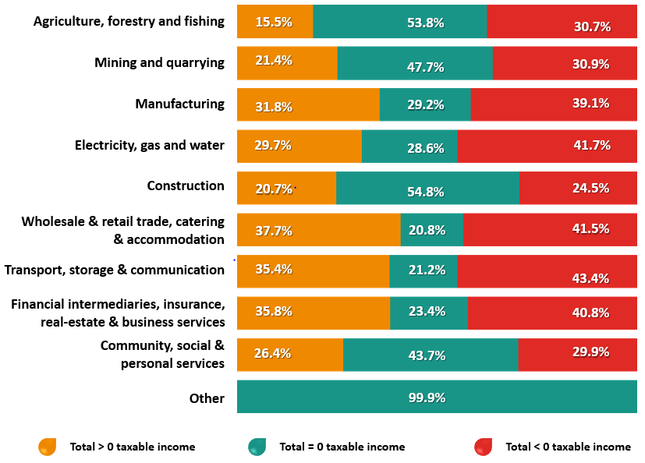

 |  |  |  |  |  |  |  | Primary sector
 | BACK TO CONTENTS |  |  |  |  |  |  | Agriculture, forestry and fishing
 |  |  |  |  |  |  |  | Mining and quarrying
From Table A3.4.3, A3.4.4 and A3.4.5 |  |  |  |  |  |  |  | Secondary sector
Taxable income group (Number of taxpayers) | Total < 0 taxable income | Total = 0 taxable income | Total > 0 taxable income |  |  |  |  | Manufacturing2
Agriculture, forestry and fishing | 17,233 | 30,146 | 8,697 | 30.7% | 53.8% | 15.5% |  | Electricity, gas and water
Mining and quarrying | 2,277 | 3,511 | 1,580 | 30.9% | 47.7% | 21.4% |  | Construction
Manufacturing | 33,419 | 24,928 | 27,163 | 39.1% | 29.2% | 31.8% |  | Tertiary sector
Electricity, gas and water | 1,935 | 1,328 | 1,377 | 41.7% | 28.6% | 29.7% |  | Wholesale and retail trade, catering and accommodation3
Construction | 24,171 | 54,009 | 20,356 | 24.5% | 54.8% | 20.7% |  | Transport, storage and communication
Wholesale & retail trade, catering & accommodation | 47,979 | 24,081 | 43,514 | 41.5% | 20.8% | 37.7% |  | Financial intermediation, insurance, real-estate and business services4
Transport, storage & communication | 10,901 | 5,325 | 8,901 | 43.4% | 21.2% | 35.4% |  | Community, social and personal services5
Financial interm., insurance, real-estate & business services | 100,538 | 57,605 | 88,007 | 40.8% | 23.4% | 35.8% |  | Other6
Community, social & personal services | 23,087 | 33,705 | 20,369 | 29.9% | 43.7% | 26.4%
Other | 65 | 312,508 | 117 | 0.0% | 99.9% | 0.0% | losses | Zero | profits
Total number of taxpayers | 261,605 | 547,146 | 220,081

Agencies and other services1 | 19,893 | 28,825 | 15,958 |  | Manufacturing |  | 33,419 | 24,928 | 27,163
Agriculture, forestry and fishing | 17,233 | 30,146 | 8,697 |  | Bricks, ceramic, glass, cement and similar products |  | 1,305 | 1,433 | 1,012
Bricks, ceramic, glass, cement and similar products | 1,305 | 1,433 | 1,012 |  | Chemicals and chemical, rubber and plastic products |  | 2,962 | 2,173 | 2,805
Catering and accommodation | 13,149 | 7,922 | 7,729 |  | Clothing and footwear |  | 2,197 | 2,026 | 2,279
Chemicals and chemical, rubber and plastic products | 2,962 | 2,173 | 2,805 |  | Coal and petroleum products |  | 700 | 571 | 793
Clothing and footwear | 2,197 | 2,026 | 2,279 |  | Food, drink and tobacco |  | 4,678 | 4,154 | 3,500
Coal and petroleum products | 700 | 571 | 793 |  | Leather, leather goods and fur (excl. footwear & clothing) |  | 291 | 480 | 208
Construction | 24,171 | 54,009 | 20,356 |  | Machinery and related items |  | 5,337 | 3,788 | 4,877
Educational services | 5,148 | 3,105 | 3,613 |  | Metal (including metal products) |  | 4,222 | 1,771 | 3,270
Electricity, gas and water | 1,935 | 1,328 | 1,377 |  | Other manufacturing industries |  | 3,304 | 1,307 | 2,380
Financing, insurance, real estate and business services | 79,768 | 28,274 | 71,383 |  | Paper, printing and publishing |  | 3,124 | 3,063 | 2,184
Food, drink and tobacco | 4,678 | 4,154 | 3,500 |  | Scientific, optical and similar equipment |  | 846 | 513 | 743
Leather, leather goods and fur (excl. footwear & clothing) | 291 | 480 | 208 |  | Textiles |  | 1,176 | 1,415 | 915
Long term insurance | 33 | 2 | 37 |  | Transport equipment |  | 1,248 | 1,264 | 882
Machinery and related items | 5,337 | 3,788 | 4,877 |  | Wood, wood products and furniture |  | 2,029 | 970 | 1,315
Medical, dental and other health and veterinary services | 5,148 | 1,791 | 7,559
Metal (including metal products) | 4,222 | 1,771 | 3,270 |  | Financial services |  | 100,538 | 57,605 | 88,007
Mining and quarrying | 2,277 | 3,511 | 1,580 |  | Agencies and other services2 |  | 19,893 | 28,825 | 15,958
Other manufacturing industries | 3,304 | 1,307 | 2,380 |  | Financing, insurance, real estate and business services |  | 79,768 | 28,274 | 71,383
Paper, printing and publishing | 3,124 | 3,063 | 2,184 |  | Long term insurance |  | 33 | 2 | 37
Personal and household services | 6,228 | 4,192 | 4,180 |  | Research and scientific institutes |  | 844 | 504 | 629
Recreation and cultural services | 5,048 | 2,843 | 2,797
Research and scientific institutes | 844 | 504 | 629 |  | Retail trade |  | 47,979 | 24,081 | 43,514
Retail trade | 16,486 | 4,901 | 18,781 |  | Catering and accommodation |  | 13,149 | 7,922 | 7,729
Scientific, optical and similar equipment | 846 | 513 | 743 |  | Retail trade |  | 16,486 | 4,901 | 18,781
Social and related community services | 1,515 | 21,774 | 2,220 |  | Specialised repair services |  | 3,290 | 1,688 | 2,368
Specialised repair services | 3,290 | 1,688 | 2,368 |  | Vehicles, parts and accessories |  | 5,631 | 1,839 | 4,881
Textiles | 1,176 | 1,415 | 915 |  | Wholesale trade |  | 9,423 | 7,731 | 9,755
Transport equipment | 1,248 | 1,264 | 882
Transport, storage and communications | 10,901 | 5,325 | 8,901 |  | Community, social and personal services |  | 23,087 | 33,705 | 20,369
Vehicles, parts and accessories | 5,631 | 1,839 | 4,881 |  | Educational services |  | 5,148 | 3,105 | 3,613
Wholesale trade | 9,423 | 7,731 | 9,755 |  | Medical, dental and other health and veterinary services |  | 5,148 | 1,791 | 7,559
Wood, wood products and furniture | 2,029 | 970 | 1,315 |  | Personal and household services |  | 6,228 | 4,192 | 4,180
Other2 | 65 | 312,508 | 117 |  | Recreation and cultural services |  | 5,048 | 2,843 | 2,797
Total | 261,605 | 547,146 | 220,081 |  | Social and related community services |  | 1,515 | 21,774 | 2,220

CHECK | - | - | -

Fig 3.8
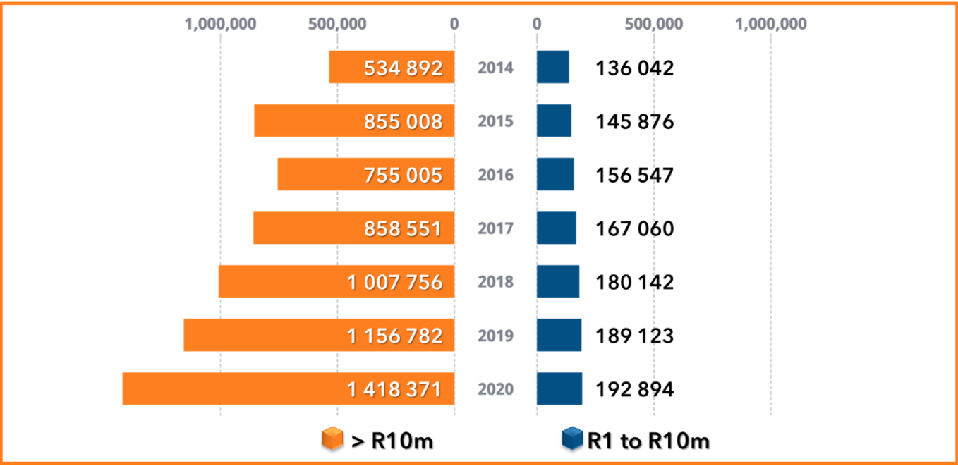
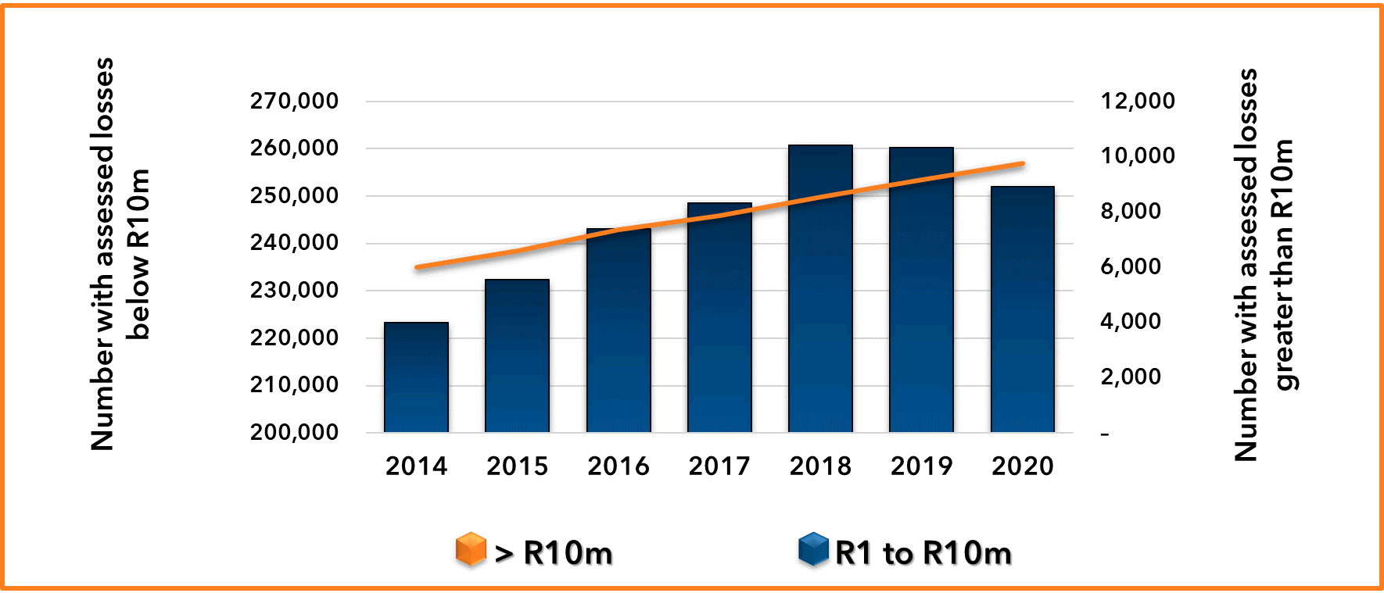
Figure 3.8.1: Value of assessed losses for companies by tax year, 2014 -2020
 |  | From A3.3.1 |  |  |  |  |  |  |  |  |  |  |  |  |  |  |  |  |  |  |  |  |  |  |  |  |  |  |  |  |  |  |  |  |  |  |  |  |  |  |  | Value of assessed losses | Number of companies with assessed losses
 |  | Tax year |  |  |  | 2010 |  |  | 2011 |  |  | 2012 |  |  | 2013 |  |  | 2014 |  |  | 2015 |  |  | 2016 |  |  | 2017 |  |  | 2018 |  |  | 2019 |  |  | 2020 |  |  | 2021
 |  | Taxable income group |  | Taxable income (R million) | Tax assessed (R million) | Number of taxpayers | Taxable income (R million) | Tax assessed (R million) | Number of taxpayers | Taxable income (R million) | Tax assessed (R million) | Number of taxpayers | Taxable income (R million) | Tax assessed (R million) | Number of taxpayers | Taxable income (R million) | Tax assessed (R million) | Number of taxpayers | Taxable income (R million) | Tax assessed (R million) | Number of taxpayers | Taxable income (R million) | Tax assessed (R million) | Number of taxpayers | Taxable income (R million) | Tax assessed (R million) | Number of taxpayers | Taxable income (R million) | Tax assessed (R million) | Number of taxpayers | Taxable income (R million) | Tax assessed (R million) | Number of taxpayers | Taxable income (R million) | Tax assessed (R million) | Number of taxpayers | Taxable income (R million) | Tax assessed (R million) | Number of taxpayers | Taxable income (R million) | Tax assessed (R million)
 |  | A: | < -10 000 000 | -267,408 | 939 | 4,337 | -317,652 | 850 | 4,681 | -349,363 | 638 | 5,018 | -377,746 | 593 | 5,403 | -433,857 | 647 | 6,008 | -534,892 | 768 | 6,594 | -855,008 | 1,349 | 7,368 | -755,005 | 2,546 | 7,853 | -858,551 | 2,392 | 8,558 | -1,007,756 | 610 | 9,167 | -1,156,782 | 502 | 9,761 | -1,418,371 | 828 | 6,911 | -803,724 | 316
 |  | B: | -5 000 001 to -10 000 000 | -22,761 | 1 | 3,621 | -25,158 | 1 | 3,958 | -27,487 | 0 | 4,278 | -29,734 | 25 | 4,555 | -31,781 | 1 | 4,961 | -34,530 | 1 | 5,475 | -38,274 | 8 | 5,947 | -41,565 | 90 | 6,477 | -45,217 | 26 | 7,085 | -49,454 | 0 | 7,581 | -53,119 | 1 | 8,028 | -56,058 | 1 | 6,752 | -47,250 | –
 |  | C: | -1 000 001 to -5 000 000 | -44,086 | 35 | 23,963 | -50,006 | 4 | 25,879 | -54,011 | 2 | 27,020 | -56,931 | 91 | 28,285 | -59,938 | 3 | 30,085 | -64,193 | 8 | 31,993 | -68,682 | 12 | 34,499 | -74,240 | 7 | 36,861 | -79,638 | 135 | 39,854 | -86,490 | 1 | 41,872 | -91,791 | 1 | 42,756 | -93,768 | 2 | 37,892 | -82,808 | 1
 |  | D: | -500 001 to -1 000 000 | -14,614 | 1 | 22,702 | -15,996 | 19 | 23,532 | -16,606 | 1 | 23,968 | -16,950 | 0 | 23,915 | -16,953 | 1 | 24,849 | -17,657 | 3 | 26,097 | -18,533 | 0 | 27,478 | -19,589 | 1 | 28,834 | -20,550 | 1 | 30,296 | -21,646 | 0 | 30,791 | -21,956 | 9 | 30,245 | -21,606 | 0 | 26,703 | -19,101 | 0
 |  | E: | -250 001 to -500 000 | -10,248 | 0 | 30,515 | -10,896 | 1 | 30,249 | -10,806 | 2 | 29,248 | -10,469 | 0 | 28,847 | -10,366 | 0 | 29,143 | -10,468 | 1 | 30,516 | -10,947 | 7 | 31,627 | -11,370 | 1 | 32,472 | -11,686 | 0 | 33,895 | -12,213 | 0 | 33,634 | -12,115 | 1 | 33,062 | -11,900 | 0 | 28,809 | -10,361 | 1
 |  | F: | -100 001 to -250 000 | -6,941 | 0 | 43,418 | -7,140 | 1 | 41,329 | -6,814 | 1 | 39,036 | -6,447 | 0 | 37,760 | -6,236 | 0 | 38,054 | -6,280 | 0 | 38,899 | -6,423 | 0 | 40,232 | -6,646 | 1 | 41,210 | -6,818 | 0 | 42,741 | -7,090 | 0 | 42,127 | -6,961 | 2 | 40,132 | -6,649 | 0 | 34,705 | -5,765 | 0
 |  | G: | -1 to -100 000 | -3,515 | 1 | 111,965 | -3,417 | 0 | 104,780 | -3,214 | 1 | 98,358 | -3,047 | 0 | 95,523 | -2,925 | 10 | 96,113 | -2,915 | 1 | 99,279 | -3,017 | 1 | 103,220 | -3,137 | 0 | 102,651 | -3,150 | 0 | 106,817 | -3,249 | 0 | 104,058 | -3,181 | 0 | 97,621 | -3,005 | 0 | 81,874 | -2,566 | 0
 |  | H: | = 0 | – | 118 | 327,182 | – | 46 | 341,014 | – | 38 | 358,682 | – | 24 | 367,185 | – | 17 | 401,218 | – | 27 | 441,113 | – | 20 | 505,934 | – | 27 | 507,257 | – | 33 | 640,473 | – | 199 | 628,041 | – | 10,832 | 547,146 | – | 93 | 385,124 | – | 665

 |  |  |  | BACK TO CONTENTS
 |  |  | <-10 000 000 | -267,408 | 939 | 4,337 | -317,652 | 850 | 4,681 | -349,363 | 638 | 5,018 | -377,746 | 593 | 5,403 | -433,857 | 647 | 6,008 | -534,892 | 768 | 6,594 | -855,008 | 1,349 | 7,368 | -755,005 | 2,546 | 7,853 | -858,551 | 2,392 | 8,558 | -1,007,756 | 610 | 9,167 | -1,156,782 | 502 | 9,761 | -1,418,371 | 828 | 6,911 | -803,724 | 316
 |  |  | -1 to -10 000 000 | -102,165 | 38 | 236,184 | -112,612 | 27 | 229,727 | -118,938 | 8 | 221,908 | -123,577 | 117 | 218,885 | -128,200 | 16 | 223,205 | -136,042 | 14 | 232,259 | -145,876 | 28 | 243,003 | -156,547 | 99 | 248,505 | -167,060 | 163 | 260,688 | -180,142 | 1 | 260,063 | -189,123 | 13 | 251,844 | -192,984 | 4 | 216,735 | -167,851 | 2
 | COUNT
 | Average |  | <-10 000 000 | 5,403 | 6,008 | 6,594 | 7,368 | 7,853 | 8,558 | 9,167 | 9,761 | 6,911
 |  |  | -1 to -10 000 000 | 218,885 | 223,205 | 232,259 | 243,003 | 248,505 | 260,688 | 260,063 | 251,844 | 216,735

 | Movement in average |  | <-10 000 000 | 385 | 605 | 586 | 774 | 485 | 705 | 609 | 594 | -2,850
 |  |  | -1 to -10 000 000 | -3,023 | 4,320 | 9,054 | 10,744 | 5,502 | 12,183 | -625 | -8,219 | -35,109

Value of assessed losses
Number of companies with assessed losses
 | R1-R10m | > R10m
2,014 | 223,205 | 6,008
2,015 | 232,259 | 6,594
2,016 | 243,003 | 7,368
2,017 | 248,505 | 7,853
2,018 | 260,688 | 8,558
2,019 | 260,063 | 9,167
2,020 | 251,844 | 9,761
 | Movement in average |  | <-10 000 000 | 7.7% | 11.2% | 9.8% | 11.7% | 6.6% | 9.0% | 7.1% | 6.5% | -29.2%
 |  |  | -1 to -10 000 000 | -1.4% | 2.0% | 4.1% | 4.6% | 2.3% | 4.9% | -0.2% | -3.2% | -13.9%

 |  |  | Value of assessed losses | 2,014 | 2,015 | 2,016 | 2,017 | 2,018 | 2,019 | 2,020 | 2,021
 |  | -1 | > R10m | 534,892 | 855,008 | 755,005 | 858,551 | 1,007,756 | 1,156,782 | 1,418,371 | 803,724
 |  |  | R1-R10m | 136,042 | 145,876 | 156,547 | 167,060 | 180,142 | 189,123 | 192,984 | 167,851

 |  |  | Value of assessed losses | 2,014 | 2,015 | 2,016 | 2,017 | 2,018 | 2,019 | 2,020 | 2,021
 |  |  | > R10m | 101,035 | 320,116 | -100,003 | 103,546 | 149,206 | 149,025 | 261,589 | -614,647
 |  |  | R1-R10m | 7,842 | 9,834 | 10,672 | 10,513 | 13,082 | 8,981 | 3,861 | -25,134
 |  |  | Value of assessed losses | 2,014 | 2,015 | 2,016 | 2,017 | 2,018 | 2,019 | 2,020 | 2,021
 |  |  | > R10m | 23.3% | 59.8% | -11.7% | 13.7% | 17.4% | 14.8% | 22.6% | -43.3%
 |  |  | R1-R10m | 6.1% | 7.2% | 7.3% | 6.7% | 7.8% | 5.0% | 2.0% | -13.0%

 |  |  | Count of assessed losses | 2,014 | 2,015 | 2,016 | 2,017 | 2,018 | 2,019 | 2,020 | 2,021
 |  |  | > R10m | 6,008 | 6,594 | 7,368 | 7,853 | 8,558 | 9,167 | 9,761 | 6,911
 |  |  | R1-R10m | 223,205 | 232,259 | 243,003 | 248,505 | 260,688 | 260,063 | 251,844 | 216,735

Growth in assessed losses
 | > R10m | R1-R10m
2,014 | 23.3% | 6.1%
2,015 | 59.8% | 7.2%
2,016 | -11.7% | 7.3%
2,017 | 13.7% | 6.7%
2,018 | 17.4% | 7.8%
2,019 | 14.8% | 5.0%
2,020 | 22.6% | 2.0%
 |  |  |  | 2.6% | 2.8% | 2.9% | 3.1% | 3.2% | 3.4% | 3.7% | 3.1%
 |  |  |  |  |  | 774 | 485 | 705 | 609 | 594 | -2,850
 |  |  |  |  |  | 11.7% | 6.6% | 9.0% | 7.1% | 6.5% | -29.2%

 |  |  |  |  |  | 10,744 | 5,502 | 12,183 | -625 | -8,219 | -35,109
 |  |  |  |  |  | 4.6% | 2.3% | 4.9% | -0.2% | -3.2% | -13.9%

